Question 3
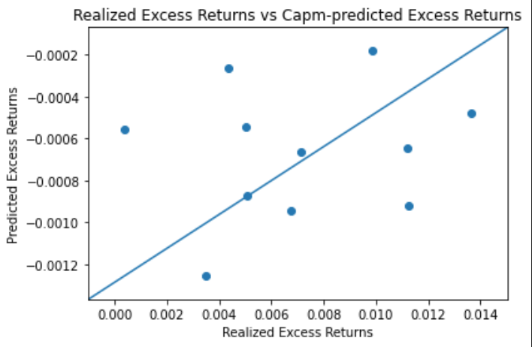
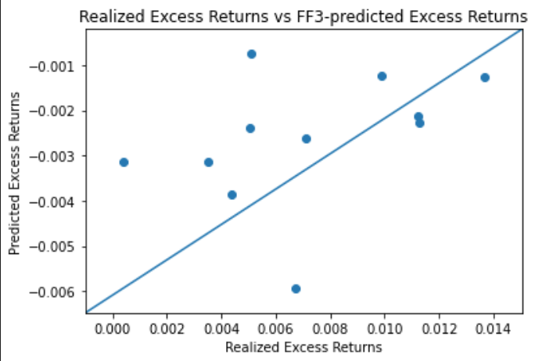
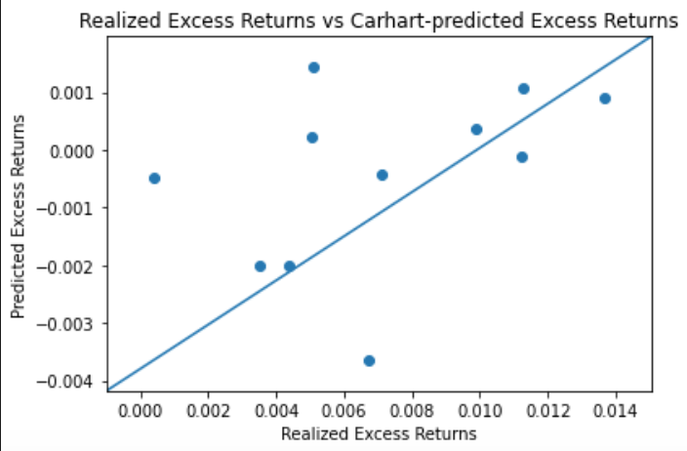
Question 3
Complete the tables. Plot realized average excess returns vs predicted ones for a given pricing model.
What can you say about the quality of pricing?

TS and CS regressions |  | Note: predicted ExRet = sum(lambda(i)*beta(i))

 |  | REALIZED EX RET | CAPM | Fama-French 3-factor | Carhart 4-factor
 |  | Average excess return | Predicted excess return | Predicted excess return | Predicted excess return | Prepare scatter plot where you plot:
Company name | Num. | (in % per month) | (in % per month) | (in % per month) | (in % per month) | (-) on X axix you plot realized excess returns
CAT | 1 | 1.126% | -0.092% | -0.227% | 0.109% | (-) on Y axix you plot the predicted excess returns according to a specific model
F | 2 | 0.351% | -0.125% | -0.314% | -0.202% | (-) 45 degree line
INTC | 3 | 0.509% | -0.087% | -0.075% | 0.143%
JPM | 4 | 0.673% | -0.095% | -0.593% | -0.364% | Since there are three models, you will need three such scatter plots.
MKC | 5 | 0.987% | -0.018% | -0.123% | 0.037%
MSFT | 6 | 1.121% | -0.065% | -0.214% | -0.013%
NKE | 7 | 1.366% | -0.055% | -0.128% | 0.089%
UPS | 8 | 0.504% | -0.026% | -0.238% | 0.022%
WMT | 9 | 0.435% | -0.056% | -0.386% | -0.200%
XOM | 10 | 0.040% | -0.067% | -0.314% | -0.048%
Portfolio | pfl | 0.711% | -0.069% | -0.261% | -0.043% | It is very hard to interpret the results given the small number of observations. But given the data, we would assess the quality of pricing to be low. The predictions do not seem to be correct, there is no visible trendline in the data.

